Sheet1
ADIDAS HAT CAP BEANIE
SKU |  | Size (US) | Qty | RRP | Total retail
M67584 | 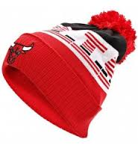 | OSF | 114 | 39.9 | 4548.6 | s
S06324 | 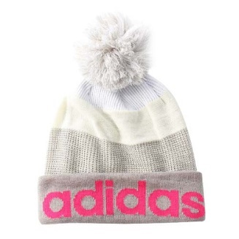 | OSFZ(54-57 CM) | 11 | 39.9 | 438.9
 |  | OSFX(57-60CM) | 26 | 39.9 | 1037.4
S06326 | 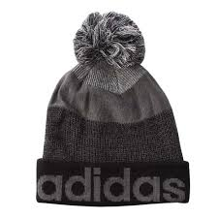 | OSF | 57 | 39.9 | 2274.3
S06325 | 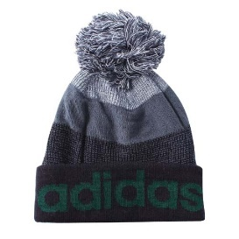 | OSF | 162 | 39.9 | 6463.8
A97397 | 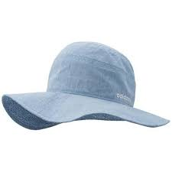 | JPM | 163 | 39.9 | 6503.7
S06330 | 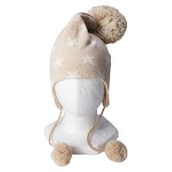 | OSF | 217 | 39.9 | 8658.3
A17239 |  | F | 51 | 39.9 | 2034.9
S03253 | 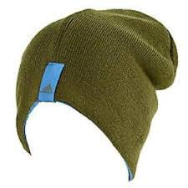 | OSF | 6 | 39.9 | 239.4
M65632 |  | OSF | 8 | 39.9 | 319.2
S06336 |  | OSF | 5 | 39.9 | 199.5
AH5344 |  | OSF | 5 | 39.9 | 199.5
A97401 | 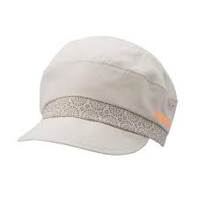 | OSF | 255 | 39.9 | 10174.5
M6538 |  | OSF | 5 | 39.9 | 199.5
M65639 | 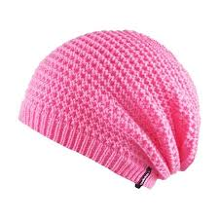 | OSF | 77 | 39.9 | 3072.3
M65640 | 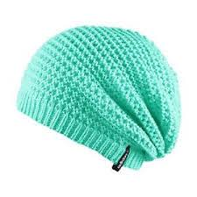 | OSF | 74 | 39.9 | 2952.6
P90858 | 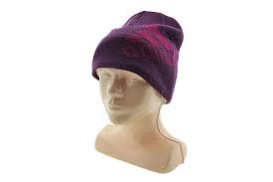 | L | 236 | 39.9 | 9416.4
 |  | M | 7 | 39.9 | 279.3
E6830 | 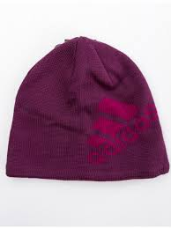 | OSF | 8 | 39.9 | 319.2
E81762 | 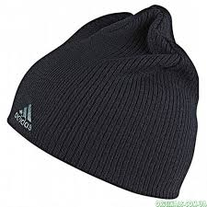 | OSF | 65 | 39.9 | 2593.5

 |  | Total | 1552 |  | 61924.8

